Power Query Tutorial
Chandoo.org
Power Query Tutorial |  |  | for all things Excel & Power BI

Full length examples |  |  | For more on this file:

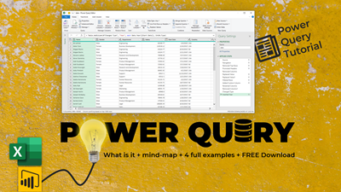
Article
 | Link | Notes
1 | Employee Dataset | m01.xlsx
2 | Web data | https://en.wikipedia.org/wiki/List_of_states_in_India_by_past_population
3 | Folder of Excel Files - consolidation | CSV to Table
4 | Joining two or more tables | Merge & Append

More examples

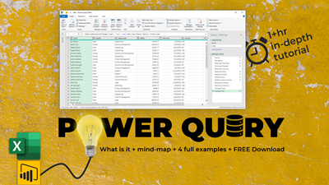
Video
1 | Folder consolidation - advanced example
2 | Leave analysis with Power Query
3 | Oddly shaped data to a table with PQ
4 | Unpivoting data in Power Query

Recommended books & websites

1 | Collect, combine & transform data with PQ - book by Gil Raviv | [book]
2 | Excel Guru blog by Ken Puls | [website]
3 | Excel School online classes by Chandoo | [course]

